Ladies Woven (2)
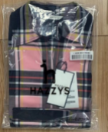
Style No. | GO | Collar Height @ CB | Neck Band Height @ CB | PLASTIC COLLARBAND | PAPER COLLARBAND
HSSH2DC81 | S21N10628 | 1 3/4 | 1 3/16 | 3320001650 /3.5 | 2200031880 /3.2
HSSH2DC82 | S21N10629 | 1 3/4 | 1 3/16 | 3320001650 /3.5 | 2200031880 /3.2
HSSH2DC84 | S21N10631 | 1 3/4 | 1 3/16 | 3320001650 /3.5 | 2200031880 /3.2
HSDR2DC71 | S22N00372 | 1 3/4 | 1 3/16 | 3320001650 /3.5 | 2200031880 /3.2
HSSH2DC71 | S22N00373 | 1 3/4 | 1 3/16 | 3320001650 /3.5 | 2200031880 /3.2
HSSH2DC72 | S22N00374 | 1 3/4 | 1 3/16 | 3320001650 /3.5 | 2200031880 /3.2
HSSH2DC01 | S22N00731 | 1 3/4 | 1 3/16 | 3320001650 /3.5 | 2200031880 /3.2
HSSH3AC12 | S22N04497 | 1 3/4 | 1 3/16 | 3320001650 /3.5 | 2200031880 /3.2
HSSH3AC13 | S22N04721 | 1 3/4 | 1 3/16 | 3320001650 /3.5 | 2200031880 /3.2

Reminder
If the style without button on collar and CF placket. Pls ask with buyer for flat pack.
There are not packing trim for SHIRT BOARD/BUTTERFLY/PAPER COLLARBAND/PLASTIC COLLARBAND.

Men Woven
ITEM |  | CODE | SUPPLIER | Qty/Garment | Remark
Fit label | CLASSIC FIT label | 112048206X 112057400X | EAP | 1pcs | CLASSIC FIT(116body) with CB pleat from SS25: for all 116 Classic fit style & 112 custom fit body
 | TAILORED FIT label | 114000396X | EAP | 1pcs | from SS25: for all 110 Basic fit style 110 basic fit name changed to Tailored fit
 | LINEN COLLECTION | 114000397X | EAP | 1pcs | from SS25: This is for SH for both HZ mens & Ladies (Regardless of fit type, use for all linen fabric style)
 | CUSTOM FIT label | 112052210X 112057401X | EAP | 1pcs | CUSTOM FIT (112body) without CB pleat 20240726: Removed. for 112 Custom fit style, changed to “CLASSIC FIT” label, So, both 116 Classic fit body & 112 custom fit body have to use same “CLASSIC FIT” fit label
Hangtag(main tag+price tag) |  | 222026720X(with tag loop & fastener) 222027727X(with tag loop & fastener) 222040985X(some orders of SS26) 222042553X(from SS26 balanced order) | EAP | 1pcs | From FW23 From SS24 From SS26
main tag+price tag+ANTI-BACTERIAL Tag |  | combined code: 222027583X (222026720X + 222018781X) | EAP | 1pcs | For FW23~SS24, Wearing all tags before shipping out for special styles which need ANTI-BACTERIAL Tag, pls use this combined code to place order to CGT.
Spare button bag |  | 244000580X 244000707X | EAP | 1pcs | SS27: Remove the button bag (#24400707X), Please attach the spare button to the care label. | 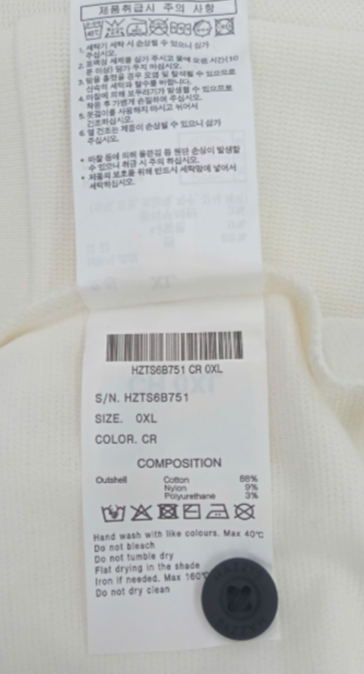
Price tag sticker |  | 220019916X | EAP | 1pcs
barcode sticker |  | 220011006X | EAP | 1pcs | Taiwan/ Vietnam/ Russia/China/India/Hongkong is no need, only the Korea portion is need. From SS27 will be apply for all market (including Oversea)
Carton Sticker |  | 220012883X | EAP | 1pc/1 carton
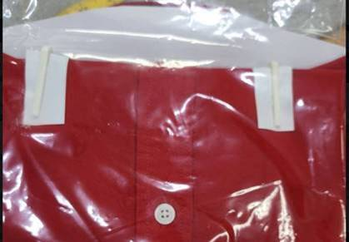
RFID sticker |  | UHZTGR00200 | LF | 1pcs
Tissue Paper |  | 221000417X | EAP | 2pcs
Small Tissue Paper |  | GEG: 2210099021(garment dye style) THV: 221000413X(HZSH2C102), but no fix code for all styles. Pls let fty decide by ourselves(Ana reply on 2023/5/4) | EAP | 3pcs | For garment dye order & Dark color, put it under clips, to avoid clip mark. (for dark color fabric, TCE need check with buyer before ordering.) | → | 
Paper Card |  | 220020096X | EAP | 1pc/2pcs gmt | For garment dye order & brush finishing fabric in dark colors, put it btw each garment, to avoid press mark issue. If 1 carton had mix color(dark and light combo), we will add paper card only between dark combos(between light-dark combo no need). (For brush finishing fabric, TCE need confirm with buyer before ordering.) | →
Cardboard |  | 220004243X | EAP | 1pcs | For normal style
 |  | 220004245X | EAP | 1pcs | For Mandarin Collar style
 |  | 220019641X | EAP | 1pcs | For button @ CB collar style, like HZSH3B201
Butterfly |  | 330003850X | EAP | 1pcs
PLASTIC COLLARBAND |  | 332000799X(height 3.8cm) | EAP | 1pcs | For Collar Height @ CB 4.2cm, Neck Band Height @ CB 3cm For Collar Height @ CB 4.4cm, Neck Band Height @ CB 3.2cm (HZSH5C333/5C402) For Collar Height @ CB 4.6cm, Neck Band Height @ CB 3.2cm (HZSH5D505, Corduroy fabric)
 |  | 3320001680(height 4.0cm) | EAP | 1pcs | For Collar Height @ CB 4.8cm, Neck Band Height @ CB 3.5cm(HZSH4A207)
 |  | 332001087X (height 3.5cm) | EAP | 1pcs | For Collar Height @ CB 4.4cm, Neck Band Height @ CB 3.2cm(HZSH5D534/5D535/5F201)
PAPER COLLARBAND |  | 220013824X (height 3.2cm) | EAP | 1pcs | For Collar Height @ CB 4.2cm, Neck Band Height @ CB 3cm
 |  | 2200006170 (height 3.5cm) | EAP | 1pcs | For Collar Height @ CB 4.8cm, Neck Band Height @ CB 3.5cm(HZSH4A207) For Collar Height @ CB 4.4cm, Neck Band Height @ CB 3.2cm(HZSH5C333/5C402)
 |  | 220004857X (height 3.5cm) | EAP | 1pcs | For button @ CB collar style(CB collar 4.6cm & CB neck band 3.2cm), like HZSH5D505, Corduroy fabric.
 |  | 220019640X (height 3.2cm) | EAP | 1pcs | For button @ CB collar style(CB collar 4.2cm & CB neck band 3cm), like HZSH3B201 For button @ CB collar style(CB collar 4.4cm & CB neck band 3.2cm), like HZSH5D534/5D535/5F201.
PLASTIC CLIP |  | 333000046X | EAP | 2pcs
PLASTIC CLIP |  | 333000045X | EAP | 1pcs
Polybag |  | 441015068X 441018127X 441025179X | EAP | 1pcs | Before SS23 From FW23 From SS26(HZ mens/women common, Sweater(HZ women)
 |  | 441025180X | EAP | 1pcs | From SS26(Sweater(HZ mens))
Small polybag |  | 441006163X | EAP | 1pcs | For garment dye style, to wrap care label.
Silica Gel |  | 600008036X | EAP | 1pcs | From SS24
Sealing Sticker |  | 220024328X | EAP | 1pcs | Start from the ship date with 2024/4/05x-fty
Verify sticker* |  | V200005040 '7200020580.A0001 | local | 2pcs/ carton | Applying 2 pcs of verify stickers will be stick on top and bottom of TRANSPARENT tape(Just for repacked cartons)
Adhesive tape with TESSELLATION logo |  | 7300007650.A0001 | local
Sticker Mark overseas portion |  |  | local |  | on 2 short side of carton for Taiwan/ Vietnam/ Russia/China/India portion Mark “Tai Wan portion” for Taiwan; Mark “Viet Nam portion” for Vietnam; Mark “Russia portion” for Russia portion. Mark “China portion” for China portion. Mark “India portion” for India portion.
Special Hantag | Anti-Bacterial hangtag | 222018781X | EAP | 1pcs | Fabric with Anti-Bacterial finsihing or Anti-bacterial garment washing
 | EUROPEAN FLAX TAG | 222029872X | EAP | 1pcs | HANG ON TOP OF BRAND TAG Fabric with Flax yarn
 | if special fabric content with "YAK","Organic"…, pls check with buyer if need request Special label or hangtag?

